Sheet1
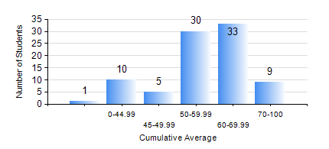
 |  |  | KWAME NKRUMAH UNIVERSITY OF SCIENCE AND TECHNOLOGY, KUMASI Department of Materials Engineering

 |  |  | BSC. METALLURGICAL ENG.

 |  |  | COMPREHENSIVE RECORD OF EXAMINATION RESULTS

 |  |  | RESULTS OF YEAR 1 FIRST SEMESTER, 2023/2024 ACADEMIC YEAR

 | Sn | Course Code |  | Course Name | Credit Hours | Min. Mark | Max. Mark | Avg. Mark | Std. Dev. | No. Passed | No. Trailed | No. (Df) | No. (I) | No. (I*) | No. Tagged(I,I*,Df) | Total
 | 0. |  |  |  |  |  |  | 0 | 0 | 0 | 0 | 0 | 0 | 0 | 0 | 2
 | 1. | EE 151 |  | APPLIED ELECTRICITY | 3 | 0 | 85 | 53 | 13.98 | 81 | 5 | 0 | 0 | 0 | 0 | 86
 | 2. | ENGL 157 |  | COMMUNICATION SKILLS I | 2 | 0 | 88 | 63 | 13.54 | 84 | 2 | 0 | 0 | 0 | 0 | 86
 | 3. | GED 151 |  | BASIC GEOLOGY | 2 | 0 | 78 | 56 | 13.55 | 82 | 4 | 0 | 0 | 0 | 0 | 86
 | 4. | MATH 151 |  | ALGEBRA | 4 | 0 | 86 | 55 | 17.85 | 75 | 11 | 0 | 0 | 0 | 0 | 86
 | 5. | ME 159 |  | TECHNICAL DRAWING | 2 | 0 | 83 | 53 | 14.68 | 80 | 6 | 0 | 0 | 0 | 0 | 86
 | 6. | ME 195 |  | ENGINEERING TECHNOLOGY I | 2 | 0 | 81 | 60 | 13.18 | 84 | 2 | 0 | 0 | 0 | 0 | 86
 | 7. | METE 151 |  | INTRODUCTION TO INFORMATION TECHNOLOGY | 2 | 0 | 90 | 68 | 14.06 | 83 | 2 | 1 | 0 | 0 | 1 | 86

